Sheet1
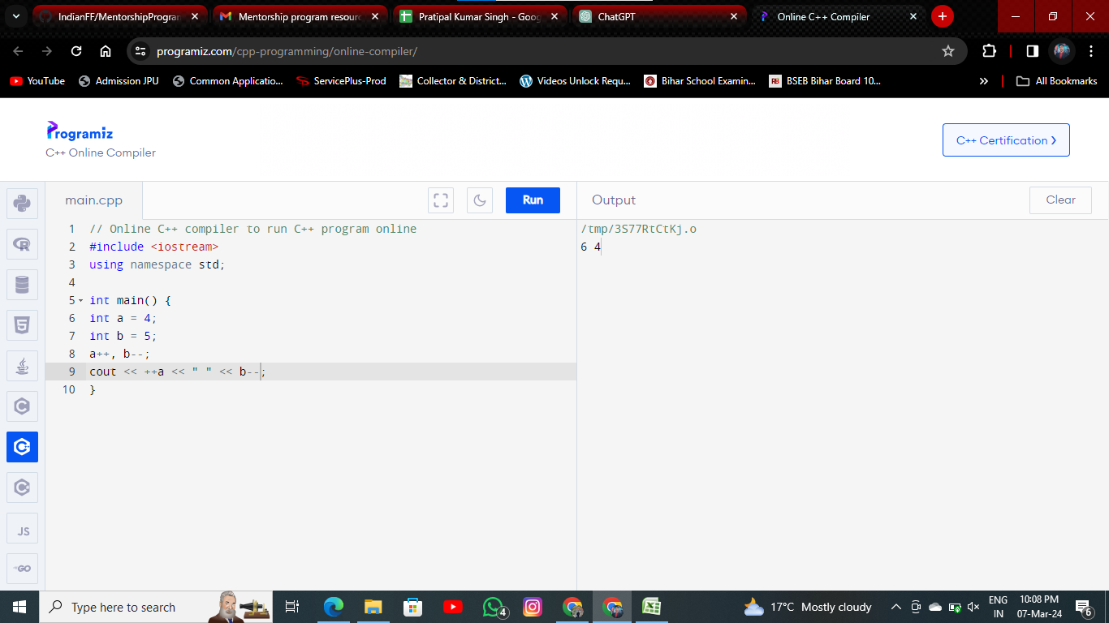
 |  | Week-1
DATE | DAY | TOPIC TO BE COVERED | VIDEO RESOURCES | TEXT RESURCES | SCHEDULE MEETING | STATUS OF MEETING | STATUS OF TASK | WORK GITHUB REPO LINK
6-Mar-24 |  | Set up and installation of VS Code | video-1 |  |  | NOT ATTENDED | COMPLETED
 |  | Variables Output / Input in C++ | video-2 |  |  | NOT ATTENDED | NOT STARTED
7-Mar-24 |  | Operators in C++ | video-3 |  |  | NOT ATTENDED
 |  | Calculating percentage of 5 subjects |  |  |  | NOT ATTENDED
 |  | Q1. Calculating percentage of 5 subjects Q2. Calculating Area of a Circle Q3. Predict the output #include<iostream> using namespace std; int main(){ int a = 0,b = 5; cout<<b<<endl; cout<<a<<endl Q4. Calculating Simple Interest Q5. Predict the output : int main(){ float a = 5, b = 2; int c; c = a % b; cout<<c; return 0; } Q6. How can you output “Alpha” and “Intern” in two different lines in C++? How much space does the following data types take? int bool float Q6. What is the output of this program? int main() { int a = 4; int b = 5; a++, b--; cout << ++a << " " << b--; } Write a program to find the circumference of a circle with radius 10 in C++. | you can search by problem name on youtube for refrence if required |  |  | NOT ATTENDED

